1. Title Page
Grocery Basket Analysis

Project Name: Grocery Basket Analysis Instacart
Date: 19/07/2023
Analyst Name: Mariana G de Oliveira

Contents:
Population Flow
Consistency checks
Wrangling steps
Column derivations
Visualizations
Recommendations

2. Population Flow
 | Title page

Population flow
Exclusion flag
Condition: max_order < =5
Obervations to be removed: Low Activity Customers
Final total count of high_act_cust: 28.668.554 rows

Orders_products_combined
Orders_products_merged
Orders_products_all
Final Data frame - high_act_cust

Total: 30356421
Total: 30328763
Total:
Total:
30328763 |  | 28668554

1.) The grey boxes in the first row of the population flow represent the original data sets as they were when you downloaded them. In the Total fields you need to add the count of the rows when you imported the data set into Jupyter.
2.) The second row of boxes (coloured) represents the data sets after you manipulated them, e.g., removed missing values and duplicates. In the Total fields you need to add the count of the rows after conducting these operations. This offers a visual oveview of how the data flows throughout the data consistency checks.
3.) The third row, where also the arrows are coloured, represents the merges you performed between the datasets. In the Total fields you need to add the count of the rows in the merged datasets, so that you end up with the final dataset (in the red box). Keep in mind the final dataset should be without exclusions (based on the exclusion flag).

3. Consistency checks
 |  |  |  | Title page
Consistency checks

Dataset | Missing values | Missing values treatment | Duplicates
orders | days_since_prior_order column: 206209 | eliminated missing values | No duplicates found
products | 16 on product name column | eliminated missing values | 5 removed duplicates
orders_products_prior | no missing values | does not apply | No duplicates found
customers | no missing values | does not apply | No duplicates found

4. Wrangling steps
 |  |  |  | Title page
Wrangling steps

Columns dropped | Columns renamed | Columns' type changed | Comment/Reason
eval_set | order_dow = orders_day_of_week | order_id = string | not necessary numeric values
 |  | order_number = string | not necessary numeric values
 |  | user_id - string | not necessary numeric values
gender |  |  | analysis irrelevant
 | Surnam= Last name |  | better to read
 | STATE = State |  | better to read
 |  | user_id - string | not necessary numeric values
add_to_cart_order |  |  | dropped to reduce the dataframe size
aisle_id |  |  | dropped to reduce the dataframe size
reordered |  |  | dropped to reduce the dataframe size
_merge |  |  | dropped to reduce the dataframe size
busiest day |  |  | duplicated column
most orders |  |  | duplicated column
gender |  |  | dropped to reduce the dataframe size
First Name |  |  | PII data
Last Name |  |  | PII data

5. Column derivations
 |  |  |  | Title page

Column derivations and aggregations

In this tab you should add tables below that the frequences of flags/label variables that you produced after deriving them. NB: don't do this for continuous variables, only for flags.
Dataset | New column | Column/s it was derived from | Conditions
ords_prods_merged | busiest day | order_day_of_week | 0 busiest day, 4 slowest day, rest regular
 | busiest days | order_day_of_week | 0 and 1 busiest days, 4 and 3 slowest days, rest regular
 | most orders | order_hour_of_day | 10,11,12,13,14,15 busiest hours; 2,3,4,5 slowest hours, rest regular.
high_act_cust | age_flag | age | Young age (<33 ), Middle age (>=33 to <65), Old age (>65)
 | income_flag | income | Low income (<67440), Middle income (>67440 to <128160), High income (>=128160)
 | parent_flag | n_dependants | No parent (<1), Parent (>=1)
 | age & children | age and parent_flag | Young parent, young no parent, middle age parent, middle age no parent, old age parent, old age no parent
 | age & family status | age and fam_status | Young single, young married, young divorced/widowed, young else, middle age single, middle age married, middle age divorced/widowed, middle age else, old age single, old age married, old age divorced/widowed, old age else.
ords_prods_merge | loyalty_flag | max_order | Max_order>40 = loyal customer max_order <=40 & >10 = regular customer max_order <=10 = new customer

6. Visualizations
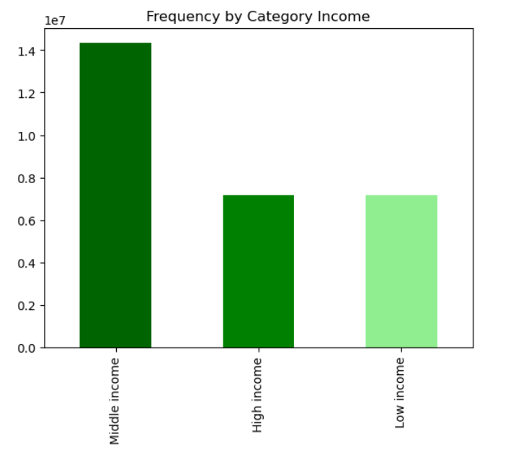
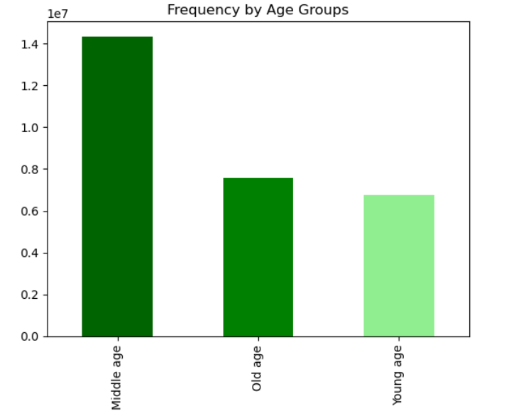
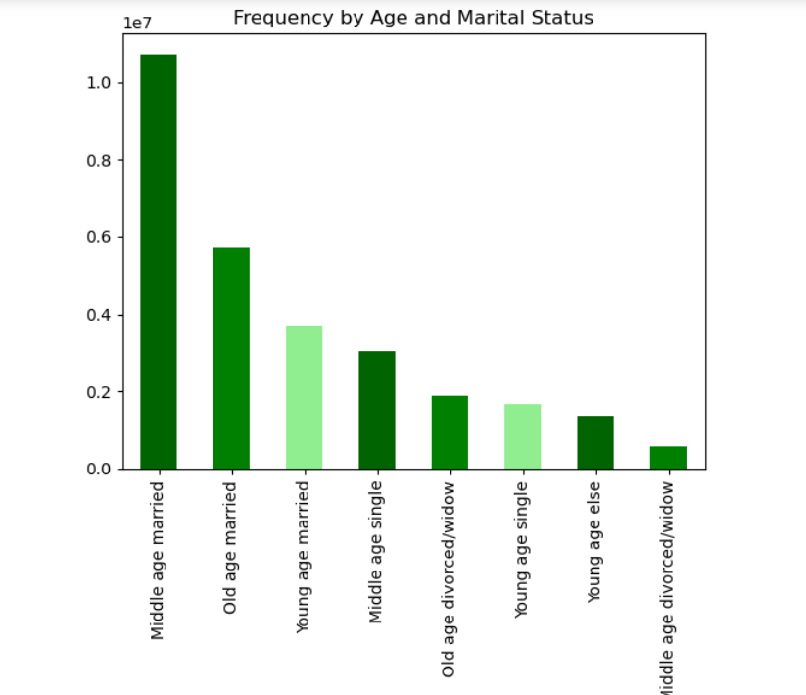
 |  |  |  |  |  |  | Title page

Visualisations

In this tab you should include all the visualtions from Exercises 4.9 and 4.10, alongside the questions from the project brief that they answer. Include any commentary on the relationship between different variables.

Question 1. The sales team needs to know what the busiest days of the week and hours of the
day are

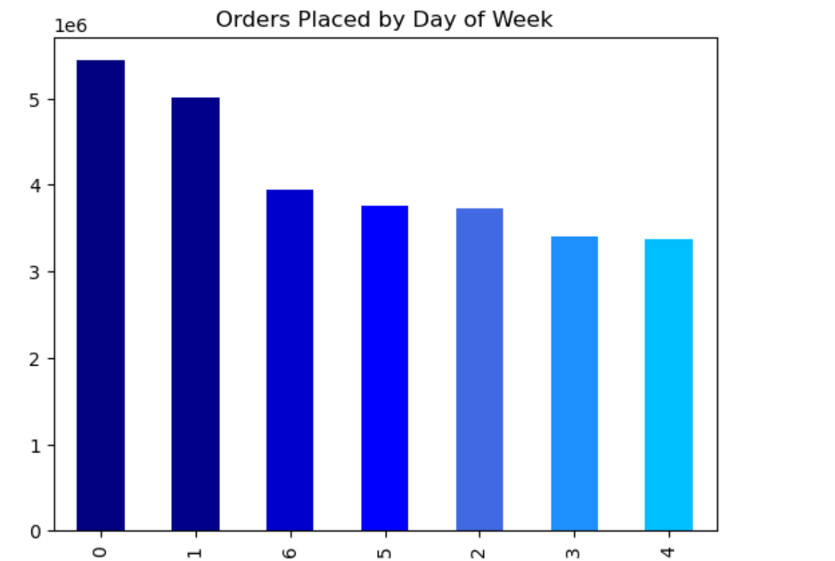
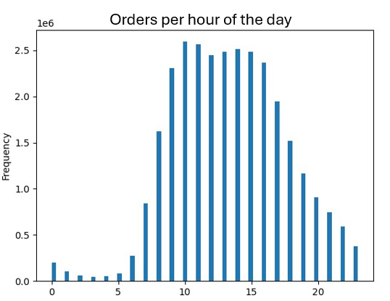

ANSWER : The barchart shows that the busiest days (the most frequent days) were 0 and 1, Saturday and Sunday. |  |  |  |  | The histogram shows that the period of time from 10 to 16h is the period of the day with the most number of sales/clients orders.

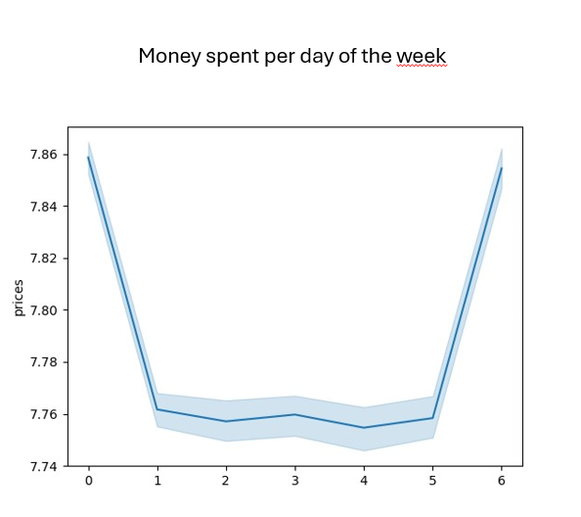
Question 2. Are there periods of the day or week that people spend more money?

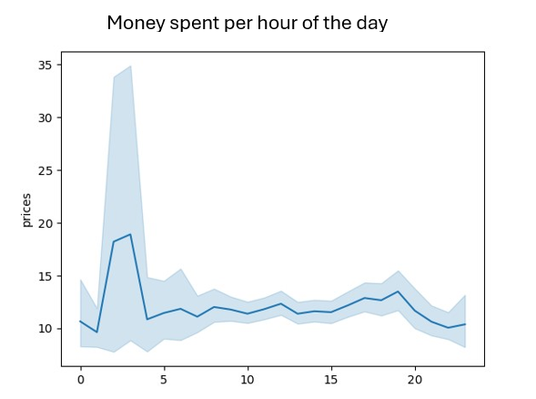
 |  |  |  |  |  | Legenda:
 |  |  |  |  |  | 0 : Saturday
 |  |  |  |  |  | 1: Sunday
 |  |  |  |  |  | 2: Monday
 |  |  |  |  |  | 3: Tuesday
 |  |  |  |  |  | 4: Wednesday
 |  |  |  |  |  | 5: Thursday
 |  |  |  |  |  | 6: Friday

Answer: Yes, there are times that people spend more money (from 00h until 5h).
 | And there are days of the week that people uses to spend more money (from Friday until Sunday - Weekends).

Question 3: Price range histogram

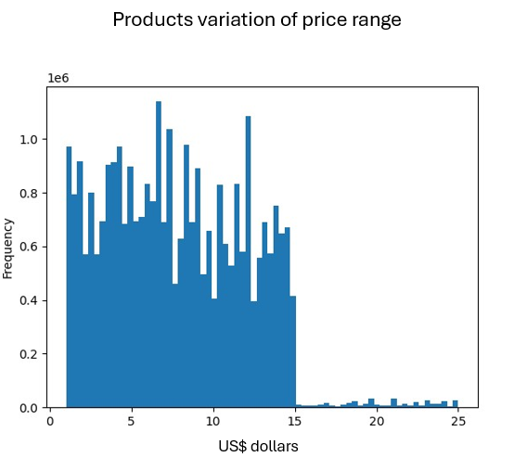

 |  | It is possible to notice that most of the products have prices ranging between 0 and 15 dollars.

Question 4. Are there departments with more popularity?
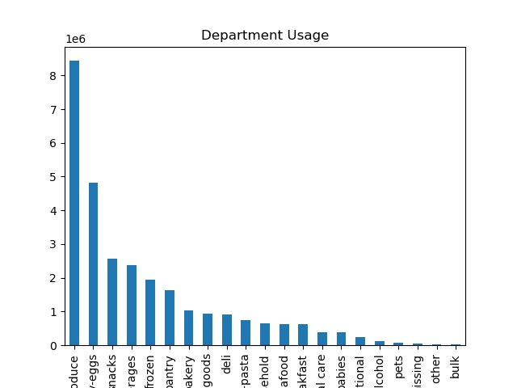

 |  |  | Answer: Yes, the produce and dairy-eggs are the most popular.

Question 5. Brand loyalty and customer loyalty ordering habits.
 |  |  |  |  | It is possible to see that there is a pattern on ordering habits based on customer loyalty.
 |  |  |  |  | Loyal customers use to spend more money on produce and dairy/eggs. The same is valid for Regular customers and new customers.
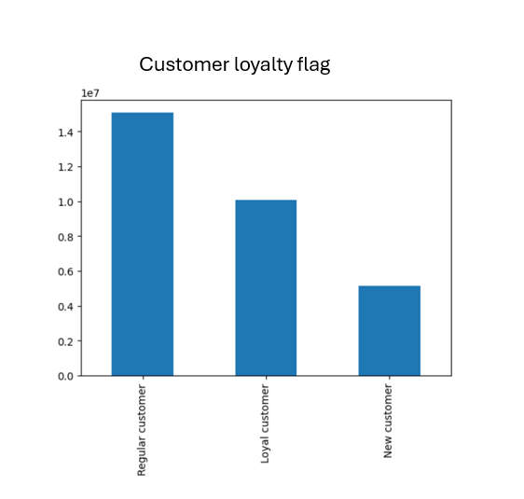
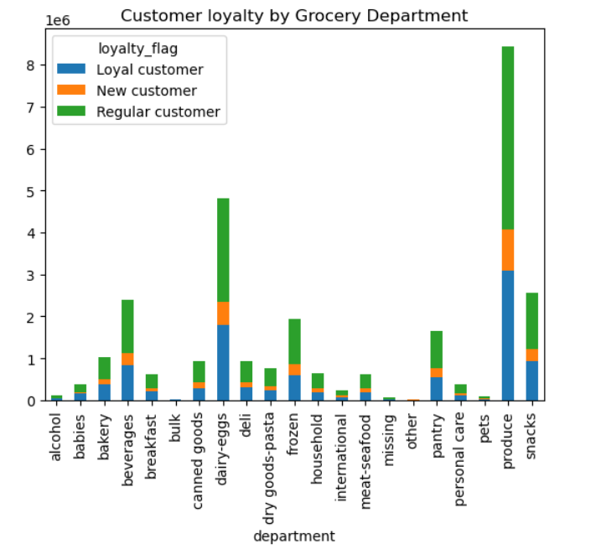
Answers: The customers were divided
in: over 40 orders Loyal customer,
between 10 and 40 regular customer
less than 10 orders new customer.

Ordering habits by Customer region

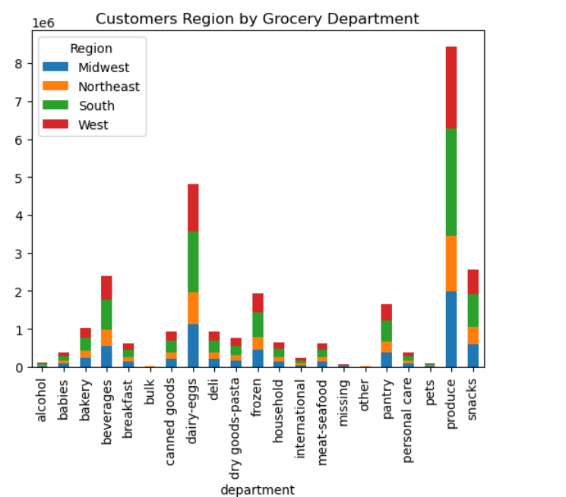

 |  |  | The ordering habits are very similar by region. 'Produce' is also the most popular department.

Age and Family status ordering habits

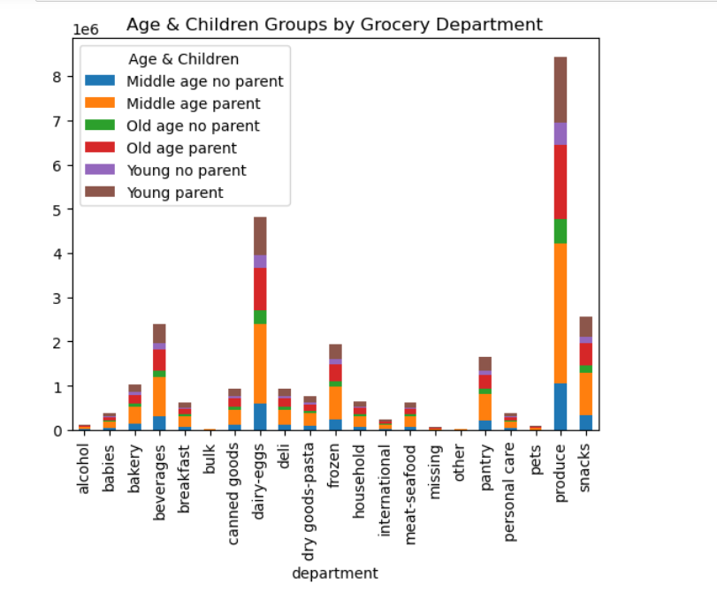

 |  |  |  | The produce department is also very popular in all family and age groups.
 |  |  |  | Middle age parents also like to buy pantry products, beverages and frozen products.
 |  |  |  | Parents also buy more baby things then no parents.
 |  |  |  | By the no parents, the produce departmente and the dairy and eggs are also very popular.

Differences between customer profiles and Information about demographic profiles.

7. Recommendations
 |  |  |  | Title page

Recommendations

In this tab you should include any recommendations you would made to Instcart in terms of their marketing strategy based on the questions posed in the brief. Every key question has been covered in the Tasks of the Exercises - here you need to add an item - a visualisation or table/crosstable that is showing the answer in the data, acompanied by a comment from you. Please, list the questions below and add the answer underneath.

Question

Question 1. The sales team needs to know what the busiest days of the week and hours of the of the day

Answer

The barchart shows that the busiest days (the most frequent days) were 0 and 1, Saturday and Sunday. |  | The histogram shows that the period of time from 10 to 16h is the period of the day with the most number of sales/clients orders.

Recommendation: The marketing adds should be posted in a higher frequency in the worst days and worst hours that were showed in the charts. |  |  | >>>>>>>
 | It is also interesting to see that on weekends people spend more money. So this is the time to advertise maybe the most popular products, or to try to show new products or more expensive ones.
 | For the worst spending hours, it could be interesting to show 'sales' advertisements with less expensive products.

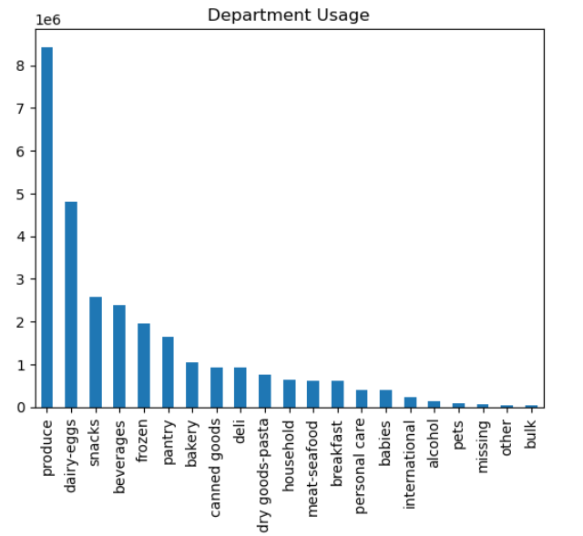
Question

Are there certain types of products that are more popular than others?

Answer
Yes, there are products that are more popular >>>>>>>>>>>>>>>>>>>>>>>>>>>>>>>>>>>

In the chart we can see that produce, dairy-eggs, snacks, bevarge and frozen are the most popular depts.

Recommendations: | It is very important to keep a good stock of the most popular products, as they are the ones in greatest demand.
 | For lower-selling products, it would be interesting to prepare marketing campaigns or price reductions to attract customers' attention.

Question

What’s the distribution among users in regards to their brand loyalty (i.e., how
often do they return to Instacart)?

Answer

There are 3 customers categories based on maximal order numbers: New customer (<10), Regular customer (<10 and >40) and Loyal customer (>40)
It is possible to see that the most part of the customers are in the regular customer flag.

Recommendations: | In this case, it is important to maintain customers in the loyal class by promoting incentives to maintain the number of purchases (discounts, for example).
 | and carry out marketing campaigns to build new customer loyalty.

Question
Are there differences in ordering habits based on a customer’s loyalty status?

Answer
It is possible to see that there is a pattern on ordering habits based on customer loyalty.
Loyal customers use to spend more money on produce and dairy/eggs. The same is valid for Regular customers and new customers.

Recommendations: It would be good to invest in marketing campaigns for productos that are not so popular to increase sales.

Question
Are there differences in ordering habits based on a customer’s region?

Answer
The ordering habits are very similar by region. 'Produce' is also the most popular department.

Recommendations: It would be good to invest in marketing campaigns for productos that are not so popular to increase sales.

Question
Is there a connection between age and family status in terms of ordering
habits?
Answer
The produce department is also very popular in all family and age groups.
Middle age parents also like to buy pantry products, beverages and frozen products.
Parents also buy more baby things then no parents.
By the no parents, the produce departmente and the dairy and eggs are also very popular.

Recommendations: I think here it would be good to invest in marketing campaigns for people without kids, because they are the smallest part of the clients.

Question
What different classifications does the demographic information suggest?
Age? Income? Certain types of goods? Family status?
Answer
In the barcharts below it is possible to see that: The most part of the cliens are from middle income, middle age and married, possible with children.

Recommendations: With this information we can conclude that Instacart is used mostly by families and from middle class. This is very important to define marketing strategy to keep this clients and to atract clients from other groups, like for example young people without children.

Conclusion: Instacart has a good impact on middle class families in the whole country. The customers normaly stay loyal but there is yet space to grow, specialy in the young people group and young families. This groups are more likely to use internet and possibliy to buy grocery by delivery as they have a very dinamic lifestyle.

